Sheet1
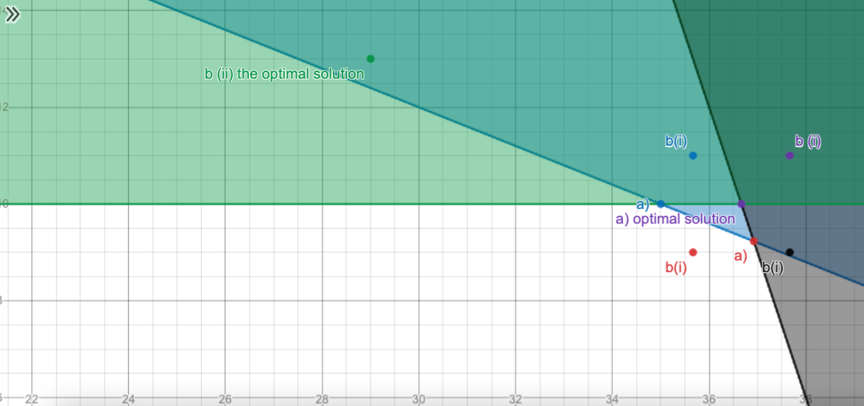
Q3

Q4
Constraints | A | B | C | D | E | RHS
D condition |  |  | 1 | 1 |  | 0
B condition | 1 | 1 |  |  |  | 0
Amount | 1 | 1 | 1 | 1 | 1 | 3
A independency | 1 | 1 |  |  |  | 1
C independency |  |  | 1 | 1 |  | 1

decision variable | 0 | 0 | 1 | 1 | 1 |  | max
 |  |  |  |  |  |  | 20
max | 5 | 7 | 4 | 6 | 10
constraint
#1 | 3 | <= | 3
a | 0 | = | 1
c | 0 | = | 1
d | 0 | <= | 0
b | 0 | <= | 0

Q5
Constraints | C | S | B | RHS
money | 2 | 0.5 | 1 | 12
space | 7 | 3 | 4 | 52
3 |  | 1 |  | 5
4 | 1 |  |  | 1
5 | 1 |  |  | 3
6 |  |  | 1 | 2

decision variable | 1 | 7 | 6

max | 180

constraints
1 | 11.5 | <= | 12
2 | 52 | <= | 52
3 | 7 | >= | 5
4 | 1 | >= | 1
5 | 1 | < | 3
6 | 6 | >= | 2

